Contact
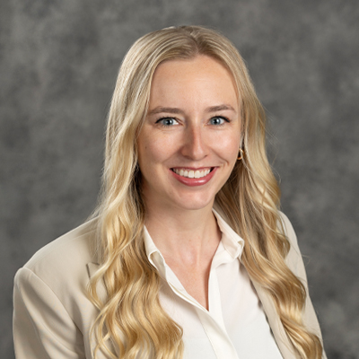
Sarah Sellars
Assistant Professor & SDSU Extension Sustainable Farm & Food Systems Specialist

Location
South Dakota State University, Harding Hall 209, Box 2220
Brookings, SD 57007

Phone
(605) 688-4873

Email
sarah.sellars@sdstate.edu

Website
extension.sdstate.edu

