Contact
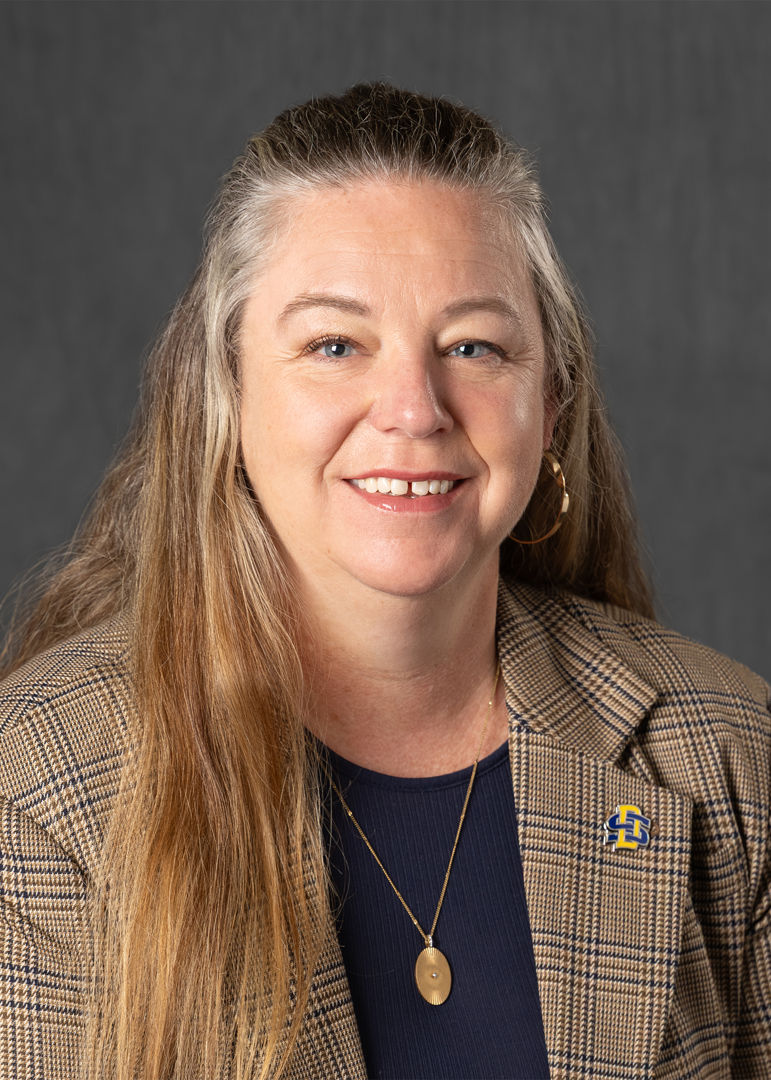
Heather Gessner
SDSU Extension Interim Agriculture and Natural Resources Program Director
and Livestock Business Management Field Specialist

Location
SDSU Extension Sioux Falls Regional Center, 4101 W. 38th St., Ste. 103, Sioux Falls, SD 57106

Phone
(605) 782-3290

Email
heather.gessner@sdstate.edu

Facebook
HeatherGessnerSDSUExtension

Website
extension.sdstate.edu

